Summary
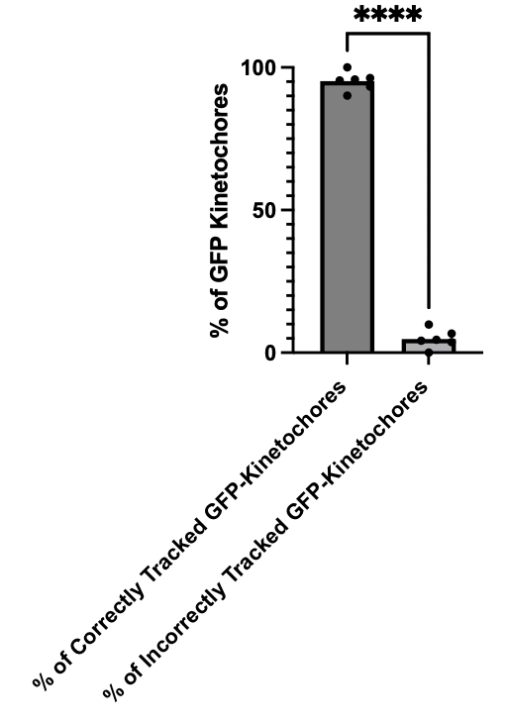
 |  | Correctly | Incorrectly | Total | % of Correctly | % of Incorrectly
230823kk_c1b_07_R3D_D3D |  | 73 | 8 | 81 | 90.12345679 | 9.87654321
230824kk_c1b_03_R3D_D3D |  | 105 | 4 | 109 | 96.33027523 | 3.669724771
230831kk_c16_04_R3D_D3D |  | 42 | 3 | 45 | 93.33333333 | 6.666666667
230831kk_c16_06_R3D_D3D |  | 46 | 2 | 48 | 95.83333333 | 4.166666667
230831kk_c16_07_R3D_D3D |  | 21 | 1 | 22 | 95.45454545 | 4.545454545
230831kk_c16_08_R3D_D3D |  | 54 | 0 | 54 | 100 | 0

N- Numbers
 | Muntaqa |  |  | Sana |  |  | Kinue |  |  | Catalina |  |  | Saakshi |  |  | Average
Movie | K | k | T | K | k | T | K | k | T | K | k | T | K | k | T | k
230823kk_c1b_07_R3D_D3D | 4 | 81 | 27 | 4 | 83 | 27 | 4 | 31 | 27 | 4 | 31 | 27 | 4 | 82 | 27 | 56.75
230824kk_c1b_03_R3D_D3D | 4 | 109 | 48 | 4 | 110 | 48 | 4 | 52 | 48 | 4 | 52 | 48 | 4 | 109 | 48 | 80.75
230831kk_c16_04_R3D_D3D | 4 | 45 | 17 | 4 | 44 | 17 | 4 | 21 | 17 | 4 | 21 | 17 | 4 | 46 | 17 | 33
230831kk_c16_06_R3D_D3D | 4 | 48 | 17 | 4 | 57 | 17 | 4 | 21 | 17 | 4 | 21 | 17 | 4 | 52 | 17 | 37.75
230831kk_c16_07_R3D_D3D | 4 | 22 | 9 | 4 | 23 | 9 | 4 | 13 | 9 | 4 | 13 | 9 | 4 | 20 | 9 | 17.25
230831kk_c16_08_R3D_D3D | 4 | 54 | 25 | 4 | 58 | 25 | 4 | 29 | 25 | 4 | 29 | 25 | 4 | 56 | 25 | 43

Graph Key

Movie | K | k | T
230823kk_c1b_07_R3D_D3D | 4 | 56.75 | 27
230824kk_c1b_03_R3D_D3D | 4 | 80.75 | 48
230831kk_c16_04_R3D_D3D | 4 | 33 | 17
230831kk_c16_06_R3D_D3D | 4 | 37.75 | 17
230831kk_c16_07_R3D_D3D | 4 | 17.25 | 9
230831kk_c16_08_R3D_D3D | 4 | 43 | 25

